Read Me
 |  |  | This workbook presents the data of the Digital Economy Navigator (DEN).
 |  |  | The Raw Data sheet presents the DEN indicators data as taken from the original source, or after a necessary data transformation (e.g. rescaling).
 |  |  | The Normalized Scores sheet presents the data after normalization to scores between 0 and 100, and missing data imputation.
 |  |  | For the full methodology, please refer to the DEN report at: http://den.dco.org/

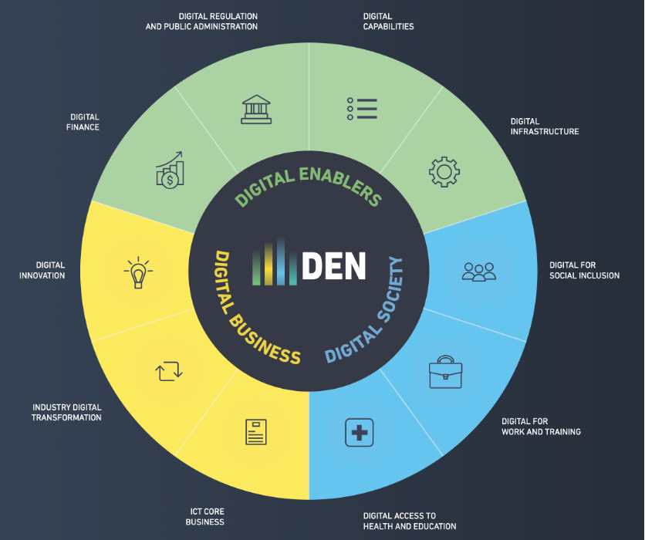
Digital Economy Navigator Framework |  |  |  |  | Country list
 |  |  |  |  | ISO 3-digit code | Name | Region
 |  |  |  |  | ARG | Argentina | Latin America and Caribbean
 |  |  |  |  | AUS | Australia | East Asia and Pacific
 |  |  |  |  | BHR | Bahrain | Middle East and North Africa
 |  |  |  |  | BRA | Brazil | Latin America and Caribbean
 |  |  |  |  | CAN | Canada | North America
 |  |  |  |  | CHL | Chile | Latin America and Caribbean
 |  |  |  |  | CHN | China | East Asia and Pacific
 |  |  |  |  | CYP | Cyprus | Europe and Central Asia
 |  |  |  |  | DNK | Denmark | Europe and Central Asia
 |  |  |  |  | DJI | Djibouti | Middle East and North Africa
 |  |  |  |  | EGY | Egypt | Middle East and North Africa
 |  |  |  |  | EST | Estonia | Europe and Central Asia
 |  |  |  |  | FIN | Finland | Europe and Central Asia
 |  |  |  |  | FRA | France | Europe and Central Asia
 |  |  |  |  | DEU | Germany | Europe and Central Asia
 |  |  |  |  | GHA | Ghana | Sub-Saharan Africa
 |  |  |  |  | IND | India | South Asia
 |  |  |  |  | IDN | Indonesia | East Asia and Pacific
 |  |  |  |  | IRL | Ireland | Europe and Central Asia
 |  |  |  |  | ITA | Italy | Europe and Central Asia
 |  |  | DEN levels breakdown |  | JPN | Japan | East Asia and Pacific
 |  |  | Level 1 | Denotes the pillars that make up the three dimensions of the DEN | JOR | Jordan | Middle East and North Africa
 |  |  |  |  | KEN | Kenya | Sub-Saharan Africa
 |  |  |  |  | KOR | Korea, Republic of | East Asia and Pacific
 |  |  |  |  | KWT | Kuwait | Middle East and North Africa
 |  |  | Level 2 | Denotes the factors (sub-pillars) that form the pillars of the DEN | MYS | Malaysia | East Asia and Pacific
 |  |  |  |  | MUS | Mauritius | Sub-Saharan Africa
 |  |  |  |  | MEX | Mexico | Latin America and Caribbean
 |  |  |  |  | MAR | Morocco | Middle East and North Africa
 |  |  | Level 3 | Denotes the measurable data points (indicators/survey questions) the fall under the factors | NLD | Netherlands | Europe and Central Asia
 |  |  |  |  | NGA | Nigeria | Sub-Saharan Africa
 |  |  |  |  | OMN | Oman | Middle East and North Africa
 |  |  |  |  | PAK | Pakistan | South Asia
 |  |  | (Level 4) | When present, denotes the sub-indicators that allow us to measure more granularly a given indicator | PHL | Philippines | East Asia and Pacific
 |  |  |  |  | POL | Poland | Europe and Central Asia
 |  |  |  |  | QAT | Qatar | Middle East and North Africa
 |  |  |  |  | RWA | Rwanda | Sub-Saharan Africa
 |  |  |  |  | SAU | Saudi Arabia | Middle East and North Africa
 |  |  |  |  | SGP | Singapore | East Asia and Pacific
 | Indicator abbreviations |  |  |  | ZAF | South Africa | Sub-Saharan Africa
 | ag | Aggregate |  |  | ESP | Spain | Europe and Central Asia
 | qn | Quantitative |  |  | SWE | Sweden | Europe and Central Asia
 | sv | Survey |  |  | CHE | Switzerland | Europe and Central Asia
 |  |  |  |  | THA | Thailand | East Asia and Pacific
 |  |  |  |  | GMB | The Gambia | Sub-Saharan Africa
 |  |  |  |  | TUN | Tunisia | Middle East and North Africa
 |  |  |  |  | TUR | Türkiye | Europe and Central Asia
 |  |  |  |  | ARE | United Arab Emirates | Middle East and North Africa
 |  |  |  |  | GBR | United Kingdom | Europe and Central Asia
 |  |  |  |  | USA | United States | North America
 |  |  |  |  | * Regions and income groups are considered using the World Bank's classfication. For more information on this, please refer to: https://datahelpdesk.worldbank.org/knowledgebase/articles/906519-world-bank-country-and-lending-groups

